Sheet2
Deliverables_ACC_Phase3.xlsx | Powered by Box
Deliverables_UltrasmallPhase4.xlsx | Powered by Box

Product | Phase | Item | ページ Page/Sheet | フィードバック内容 Contents of Feedback | 記入者 Comment by | 記入日
ACC | Phase3 | HDD | 14 | 1.5kWACからの流用部品に関して、この部品を使用する妥当性を記載して欲しい。 Regarding the reused components from the 1.5kW AC design, please describe the justification for using these components in the current design. | 遠藤 Mr. Endo | 04/03/2026
ACC | Phase3 | HDD | 30 | トランスのコアロスに関して、式が一般的でないので式の出所やこのコアロス計算の精度を教えてほしい Regarding the transformer core loss calculation, the equation used does not appear to be a standard formula. Please provide the source of the equation and explain the expected accuracy of this core‑loss estimation. | 遠藤 Mr. Endo | 04/03/2026
ACC | Phase3 | HDD | 30 | トランスに関して磁気飽和しないか計算して欲しい Please provide a calculation to confirm that the transformer does not enter magnetic saturation under worst‑case operating conditions. | 遠藤 Mr. Endo | 04/03/2026
ACC | Phase3 | HDD | 44 | 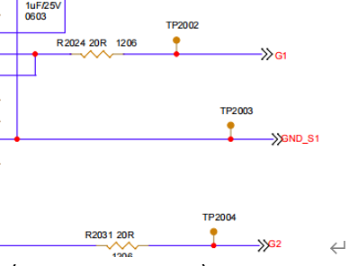 p44の上部でゲート抵抗値の計算がされているが、最終的になぜ20Ωの抵抗が選ばれているか教えてほしい On the top portion of page 44, a gate‑resistor value calculation is shown. However, the final selected resistor value is 20 Ω. Please explain the rationale behind selecting 20 Ω as the final value. | 遠藤 Mr. Endo | 04/03/2026
ACC | Phase3 | HDD |  | 各回路ブロックでDeadtimeをどのように計算しているか教えてほしい Please explain how Dead‑Time is calculated for each circuit block, and provide the corresponding calculation methodology. | 遠藤 Mr. Endo | 04/03/2026
ACC | Phase3 | HDD |  | タイプミスを確認してください Please check for any typographical errors. ↓AI check https://tico-group.ent.box.com/file/2153409947399 | 遠藤 Mr. Endo | 04/03/2026
ACC | Phase3 | E-BOM | Filter | Version no.2に部品型番変更の履歴があるのですが、BOMを見ると修正されていない In Version no.2 of the revision history, a change of component part numbers is recorded; however, these changes are not reflected in the BOM. Please correct the BOM accordingly. | 遠藤 Mr. Endo | 04/03/2026
ACC | Phase3 | E-BOM | ↑ | Sr.#10 and 11となっていますが正しいSr.noは7,8のようです The revision note states “Sr.#10 and 11,” but the correct Sr. numbers appear to be 7 and 8. Please revise the documentation to use the correct Sr. numbers. | 遠藤 Mr. Endo | 04/03/2026
ACC | Phase3 | Test plan | Test_plan | Over‑voltage Shutdown test の 冒頭の仕様が「Low: 220 V, Mid: 322 V, High: 428 V」と記載されているのに対し、最後の判定文で “more than 130(Low), 322(Mid), 428(High) VDC” と 130 V が混入している | 遠藤 Mr. Endo | 04/03/2026
ACC | Phase3 | Test plan | Abbreviations | Correct "Accessory Power" | 遠藤 Mr. Endo | 04/03/2026
Ultra Small | Phase4 | HDD |  | 各回路ブロックでDeadtimeをどのように計算しているか教えてほしい Please explain how Dead‑Time is calculated for each circuit block, and provide the corresponding calculation methodology. | 遠藤 Mr. Endo | 04/03/2026
Ultra Small | Phase4 | HDD |  | 熱回路を使った熱設計を記載して欲しい Please include the thermal design analysis using a thermal‑resistance network (thermal circuit model). | 遠藤 Mr. Endo | 04/03/2026
ACC | Phase3 | Thermal and Airflow Analysis | p7 | SOWに「最悪条件（Worst-case）でのCAE/CFD実施」と記載があるが、現在の報告書では、このPower Loss値が最悪条件で最大になる理由が示されていない。電圧条件により損失が増加する場合もあるため、根拠が必要。 ・最悪条件に対して Power Loss が最大となる計算根拠を提示・入力電圧依存性、動作点の比較を含めて説明すること SOW states that CAE/CFD analyses shall be performed under “worst‑case” conditions. However, the current report does not demonstrate that the reported Power Loss values are indeed the maximum under these worst‑case conditions. Since losses can increase depending on the voltage condition, justification is required. • Please provide calculation evidence that the Power Loss becomes maximum under the stated worst‑case conditions, and explain this including the dependence on input voltage and comparison of operating points. | 遠藤 Mr. Endo | 05/03/2026
ACC | Phase3 | Thermal and Airflow Analysis | p7 | 損失算出手法がブラックボックス化しておりトレーサビリティが確保されていない。 例)以下の情報の明記： ・MATLABモデルの粒度 ・ステップ幅 ・トランス巻線抵抗の温度 ・周波数依存（表皮効果含む）を考慮しているか ・コアロス（iron loss）の算出方法（BHカーブ適用の有無) ・各損失要素の計算式／パラメータ The loss calculation method is treated as a black box, and traceability is not ensured. For example, please clearly describe the following information: • Granularity of the MATLAB model • Step size (time / operating‑point resolution) • Whether transformer winding resistance considers temperature and frequency dependence (including skin effect) • How core loss (iron loss) is calculated – whether a B‑H curve is applied, and if not, what alternative method is used • The formulas and parameters used for each individual loss component | 遠藤 Mr. Endo | 05/03/2026
ACC | Phase3 | Thermal and Airflow Analysis | p10 | SOWに明記の「CAE/CFD（熱・圧力損失）」に対し、提出資料では Velocity のみで圧損値が欠落している。 ・Pressure Drop解析結果の提出 ・圧損分布図・解析手法・評価コメントの追加 Although the SOW explicitly requires “CAE and CFD – Thermal and pressure drop analysis”, the submitted report only describes velocity and does not provide any pressure‑loss values. • Please provide Pressure Drop analysis results. • Please add pressure‑loss distribution plots, a description of the analysis approach, and evaluation comments. | 遠藤 Mr. Endo | 05/03/2026
ACC | Phase3 | Thermal and Airflow Analysis | p8 | Thermal/CFDモデルの Mesh・Boundary・Solver の解析設定を明記してください。 ・Mesh条件（cell size, refinement, inflation layer） ・Boundary条件（Fan inlet/outlet位置・方向、壁条件、熱流束設定） ・Solver条件（steady/transient、収束条件） Please clearly describe the analysis settings of the Thermal/CFD model, including Mesh, Boundary, and Solver conditions. • Mesh settings (cell size, refinement, inflation layers) • Boundary conditions (fan inlet/outlet locations and directions, wall conditions, heat‑flux settings) • Solver settings (steady/transient, convergence criteria) | 遠藤 Mr. Endo | 05/03/2026
ACC | Phase3 | Thermal and Airflow Analysis |  | フィンの形状について、設計の考え方を記載してください ・リファレンスとしたTICOの1.5kWモデルからどのように変わったか？（変遷があれば変化が分かるように記載してください） ・その形状は発熱する部品（特に熱成立が厳しい）に対して、流速を早くする設計か？ ・それとも全体にまんべんなく空気を回すことを意識した設計か？ Add description on the concept of design on fin shape. - How the shape was changed from TICO 1.5kW model which was used as reference (if there is any change, clarify the modifications as what have been changed). - Does the new design gives the fin that absorb heat from the heating parts (particularly the parts which has severe thermal conditon)? - Or the design just aimed to circulate the air evenly to entire space? | 八島、小川 Mr.Yashima Mr.Ogawa | 05/03/2026
ACC | Phase3 | Schematics | Main | ・Lo/Mid/Highの三仕様でどこか回路定数が変わるのではないかと思うので、3仕様分作成して欲しい - The three specifications of Lo/Mid/High may require to use different circuit parameter; please create the schematics correspond to the three specifications. | 遠藤 Mr. Endo | 05/03/2026
ACC | Phase3 | Schematics | Filter | 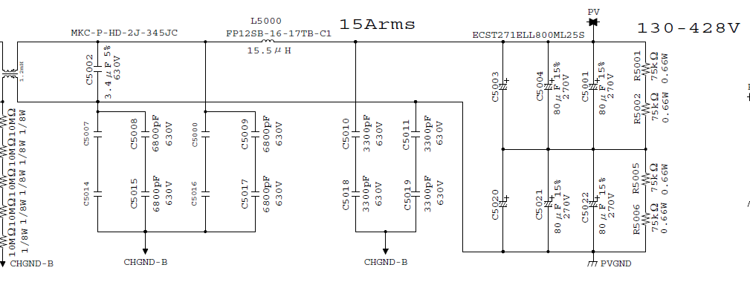 ・回路図中の「15Arms」だが、1.5kWACから流用したのか？そうであれば今回のACCは最大出力が違うので「15Arms」は削除して欲しい" - "15Arms" in the schematice, is it re-used from 1.5kWAC? If it is the case, please remove "15Arms" because this ACC has different maximum output. | 遠藤 Mr. Endo | 05/03/2026
ACC | Phase3 | Schematics | Main | 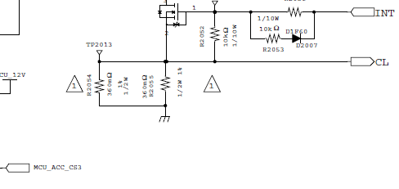 回路図中の△1は全て消してください。(回路図を新設した後に変更点をトラッキングできるように社内で使用しているものなので今回は不要) Remove all △1 in the schematics. (That marks it to track modifications after creating a new schematics; it is not required for this submission). | 遠藤 Mr. Endo | 05/03/2026
ACC | Phase3 | Schematics | Main | 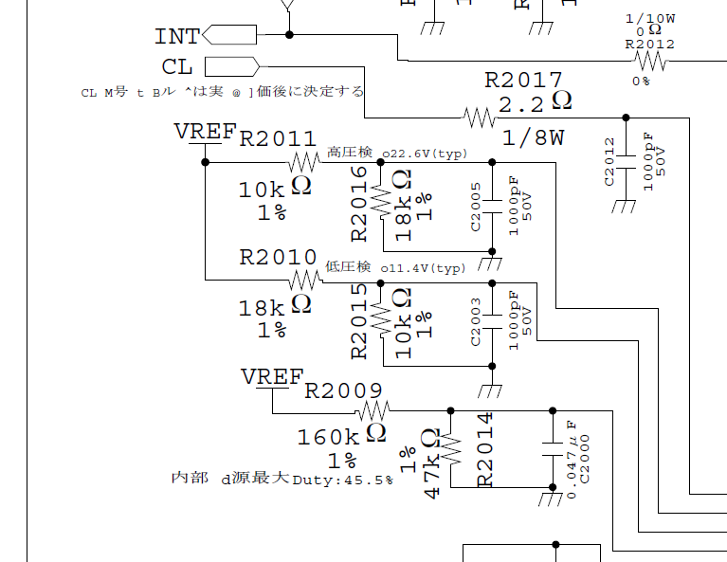 不明な日本語の記載は除去するか、英語で記載してください。日本語のまま記載してあると、1.5kWACINVの回路図からそのまま貼り付けただけで今回の設計でも同じなのか本当に確認している？となります Remove or translate to English all unnecessary Japanese notation. It causes doubts if the circuit was cut & paste from 1.5kWACINV without any examination. | 遠藤 Mr. Endo | 05/03/2026
ACC | Phase3 | Schematics | Main | 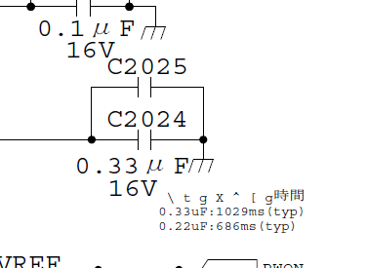 理解不能な記載です。訂正もしくは削除してください Cannot be understood. Correct or remove. | 遠藤 Mr. Endo | 05/03/2026
ACC | Phase3 | Schematics | Main | 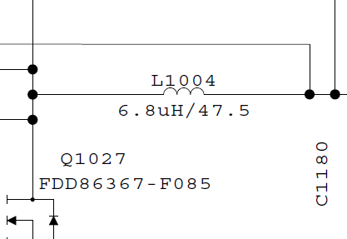 インダクタの下に書いてある47.5はなんの値でしょうか？単位は何でしょうか？ What is the value "47.5" which is written under inductor. What is the unit? | 遠藤 Mr. Endo | 05/03/2026
ACC | Phase3 | Schematics | Main | 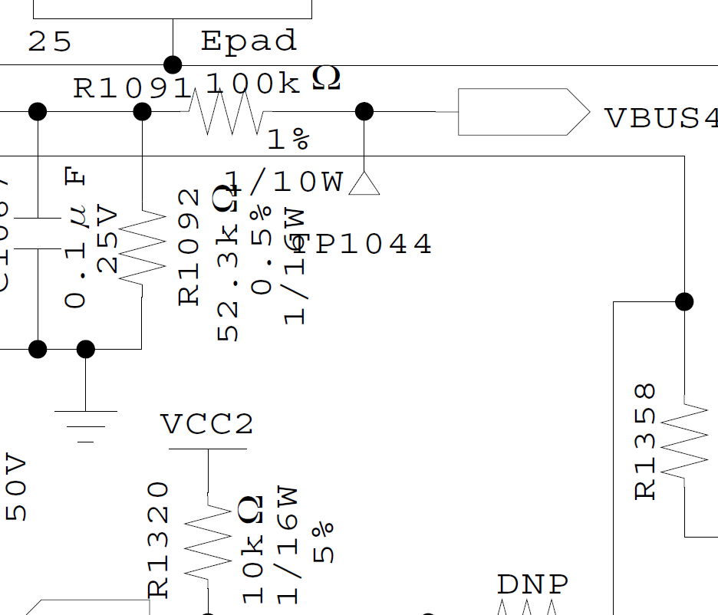 もう少し文字が被らないようにしてもらえますか？ Try to organize the letters not to overrap each other. | 遠藤 Mr. Endo | 05/03/2026
ACC | Phase3 | Schematics | Main | @Zzumeは消してください→分からなければ教えます Delete @Zzume. If you don't know how to do that, I'll tell you. | 遠藤 Mr. Endo | 05/03/2026
ACC | Phase3 | Schematics | Main | 修正して英語で記載してください。不要であれば削除で構いません。 以下記載内容 ・指示なき抵抗の精度はO％ ・指示なき抵抗の電力はOW ・指示なきコンデンサの精度はO％ ・指示なきコンデンサの耐圧はOV ・指示なきダイオードの型番はO Correct and describe them in English. Remove if they are not required. The contents of the note: - Accuracy of the resistors are x% unless specified otherwise. - Power of the resistors are xW unless specified otherwise. - Accuracy of the capasitors are x% unless specified otherwise - Voltage resistance of capasitors are xV unless specified otherwise - Model number of diode is x unless specified otherwise | 遠藤 Mr. Endo | 05/03/2026
ACC | Phase3 | Schematics | Main | 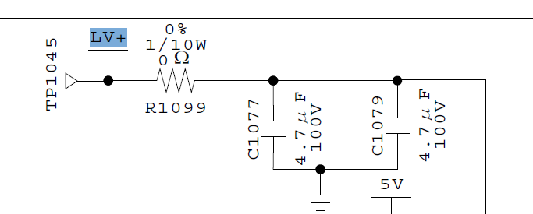 LV部に100V耐圧のコンデンサを使用しているのは理由があるのでしょうか。もっと低耐圧じゃダメなんでしょうか？ Why 100V voltage resitance capacitors are used in LV circuit? Can they be lower voltage resistance? | 遠藤 Mr. Endo | 05/03/2026
ACC | Phase3 | PCB | Main | ・Lo/Mid/Highの三仕様でどこか回路定数が変わるのではないかと思うので、必要であれば3仕様分作成して欲しい - The three specifications of Lo/Mid/High may require to use different circuit parameter; please create the design correspond to the three specifications. | 遠藤 Mr. Endo | 05/03/2026
ACC | Phase3 | E-BOM | Main | ・Lo/Mid/Highの三仕様でどこか回路定数が変わるのではないかと思うので、3仕様分作成して欲しい - The three specifications of Lo/Mid/High may require to use different circuit parameter; please create the EBOMs correspond to the three specifications. | 遠藤 Mr. Endo | 05/03/2026
ACC | Phase3 | Thermal and Airflow Analysis |  | ・使用した3DCADモデルはPhase3で提出されたCADモデルと同じですか？また、PCB基板もPhase3で提出されているものと同じでしょうか？同じであれば使用したモデルはPhase3の成果物のCADモデルと同じであると、違うのであればどのバージョンで解析したか明記してください | 遠藤 Mr. Endo | 06/03/2026
Ultra Small | Phase4 | Thermal and Airflow Analysis |  | ・使用した3DCADモデルはPhase4で提出されたCADモデルと同じですか？また、PCB基板もPhase4で提出されているものと同じでしょうか？同じであれば使用したモデルはPhase4の成果物のCADモデルと同じであると、違うのであればどのバージョンで解析したか明記してください | 遠藤 Mr. Endo | 06/03/2026
Ultra Small | Phase4 | Flow and Thermal SimulationV3 |  | Thermal/CFDモデルの Mesh・Boundary・Solver の解析設定を明記してください。 ・Mesh条件（cell size, refinement, inflation layer） ・Boundary条件（Fan inlet/outlet位置・方向、壁条件、熱流束設定） ・Solver条件（steady/transient、収束条件） Please clearly describe the analysis settings of the Thermal/CFD model, including Mesh, Boundary, and Solver conditions. • Mesh settings (cell size, refinement, inflation layers) • Boundary conditions (fan inlet/outlet locations and directions, wall conditions, heat‑flux settings) • Solver settings (steady/transient, convergence criteria) | 遠藤 Mr. Endo | 06/03/2026
Ultra Small | Phase4 | WCCA | 3+23_PFC_SIC FET | Maximum Junction Temperature at Ambient Temp Ta=85℃ (in ℃) for Gate DriverがTarget value150℃に対して162.8℃と超過しているようにみえますが良いのでしょうか？ It appears that the Maximum Junction Temperature at ambient Ta = 85 °C for the gate driver is 162.8 °C, which exceeds the target value of 150 °C. Is this acceptable, or is there any justification for allowing this exceedance? | 遠藤 Mr. Endo | 06/03/2026 | The earlier junction temperature exceeded the target because an incorrect switching frequency of 200 kHz was used in the calculation. The correct operating frequency is 50 Hz, and the calculation has been updated accordingly. With the corrected value, the maximum junction temperature is now 85.02 °C, which is within the acceptable limit of 150 °C.
Ultra Small | Phase4 | WCCA | 1_Input EMI Filter | Targetの「＞150kHz」が分かり辛いので不等号を削除してください The notation “>150 kHz” in the Target column is difficult to understand. Please remove the inequality sign and express the target frequency more clearly | 遠藤 Mr. Endo | 06/03/2026 | The notation “>150 kHz” has been removed from the Target column as suggested.
Ultra Small | Phase4 | DFA-PCB | DFA PCB Feasibility Check List | ・現状は25mm取れてないとのことなので分かるようにしてください According to the explanation, the current design does not meet the minimum 25 mil test pad‑to‑test pad clearance requirement, but the checklist still shows “Pass = Yes” and “No pending items”. | 遠藤 Mr. Endo | 06/03/2026
Ultra Small | Phase4 | DFA-PCB | About DFA Checklist | ↑矛盾しています According to the explanation, the current design does not meet the minimum 25 mil test pad‑to‑test pad clearance requirement, but the checklist still shows “Pass = Yes” and “No pending items”. | 遠藤 Mr. Endo | 06/03/2026

